Sheet1
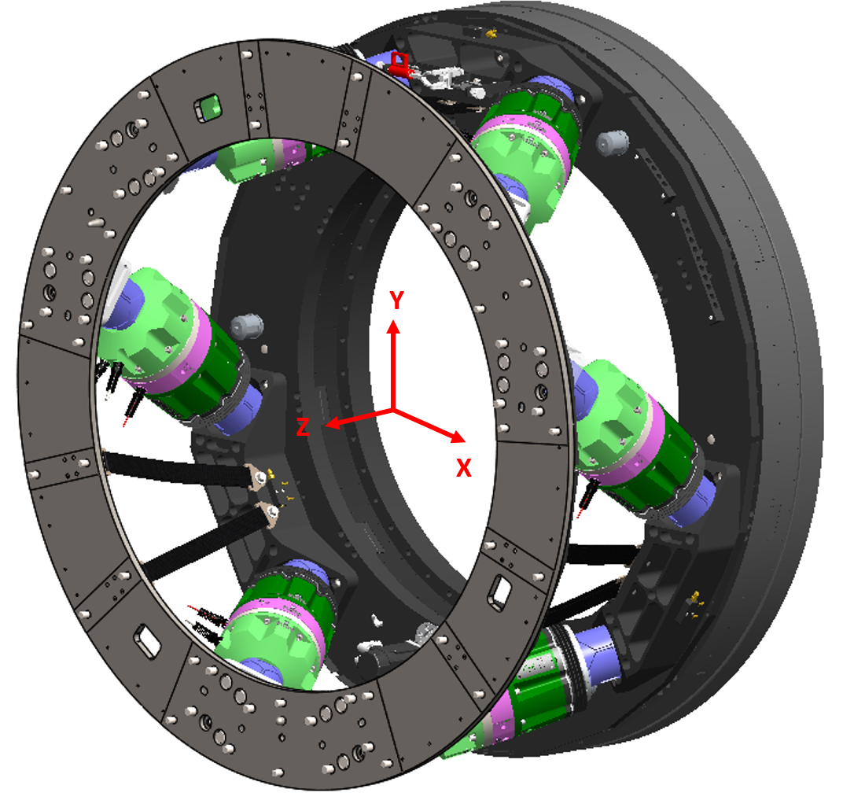
X mm | Y mm | Z mm
-227.647 | 653.753 | 0.000
227.647 | 653.753 | 0.000
679.990 | -129.728 | 0.000
452.343 | -524.025 | 0.000
-452.343 | -524.025 | 0.000
-679.990 | -129.728 | 0.000
-472.917 | 512.146 | 403.918
472.917 | 512.146 | 403.918
679.990 | 153.485 | 403.918
207.073 | -665.631 | 403.918
-207.073 | -665.631 | 403.918
-679.990 | 153.485 | 403.918

